Tabelle1
NTC Resistor

 | Constans:
 | B-Constant | 3977 |  | Temperature | Resistance
 | R at 25°C | 10000 |  | 0 | 33900.42085
 |  |  |  | 5 | 26093.920544
 |  |  |  | 10 | 20271.594559
 |  |  |  | 15 | 15886.99821
 |  |  |  | 20 | 12554.702527
 | Formulars: |  |  | 25 | 10000
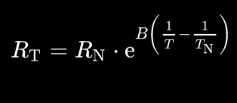
 |  |  |  | 30 | 8025.1451786
 |  |  |  | 35 | 6486.4408792
 |  |  |  | 40 | 5278.5200532
 |  |  |  | 45 | 4323.4540383
 |  |  |  | 50 | 3563.1319373
 |  |  |  | 55 | 2953.8792232
 |  |  |  | 60 | 2462.6238652
 | 0 °C + 273,15 = 273,15 K |  |  | 65 | 2064.1417436
 |  |  |  | 70 | 1739.0614028
 |  |  |  | 75 | 1472.407539
 |  |  |  | 80 | 1252.5297956
 |  |  |  | 85 | 1070.309272
 |  |  |  | 90 | 918.5666862
 |  |  |  | 95 | 791.61801383
 |  |  |  | 100 | 684.9387231

Voltage Divider

 | Constants: |  | Temperature | Voltage |  | Imax [mA] | 0.52771017352
 | VCC (ntc+) | 3 | 0 | 0.38559994139 |  | I at 30°C [mA] | 0.23032372836
 | R9 | 5000 | 5 | 0.48240941437 |  | d(mV)/dT at 30°C | 30.588753799
 |  |  | 10 | 0.59355178262 |  | mV/ADCstep | 0.732421875
 |  |  | 15 | 0.71815010703 |  | min Tres at 30°C | 0.023944155418
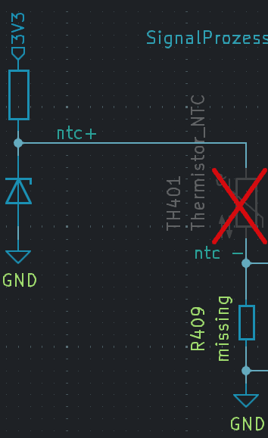
 |  |  | 20 | 0.85447189876
 |  |  | 25 | 1
 |  |  | 30 | 1.1516186418
 |  |  | 35 | 1.305887538
 |  |  | 40 | 1.4593540629
 |  |  | 45 | 1.6088458138
 |  |  | 50 | 1.7516955373
 |  |  | 55 | 1.8858722366
 |  |  | 60 | 2.0100168883
 |  |  | 65 | 2.1234002012
 |  |  | 70 | 2.2258292518
 |  |  | 75 | 2.3175302095
 |  |  | 80 | 2.3990289515
 |  |  | 85 | 2.4710437851
 |  |  | 90 | 2.5343973964
 |  |  | 95 | 2.5899498144
 |  |  | 100 | 2.6385508676

Signal Prozessing

 | Constans |  |  |  |  | Temperature | Voltage | Imax | 0 | mA
 | Gain | 2 | Vairables |  |  | 0 | -0.028800117217 | I at 30°C | 0 | mA
 | Voff | 0.4 | R3 | 72500 |  | 5 | 0.16481882875 | d(mV)/dT at 30°C | 61.177507598 | mV/°C
 | VCCoff (5V) | 3.3 | R4 | 10000 |  | 10 | 0.38710356524 | mV/ADCstep | 0.732421875 | mV
 | R1 | 5000 |  |  |  | 15 | 0.63630021405 | minTempResoltion at 30°C | 0.011972077709 | °C
 | R2 | 10000 |  |  |  | 20 | 0.90894379752
 | ADC Resul [bit] | 12 |  |  |  | 25 | 1.2
 | ADC Vref | 3 |  |  |  | 30 | 1.5032372836
 |  |  |  |  |  | 35 | 1.811775076
 |  |  |  |  |  | 40 | 2.1187081257
 |  |  |  |  |  | 45 | 2.4176916277
 |  |  |  |  |  | 50 | 2.7033910746
 |  |  |  |  |  | 55 | 2.9717444731
 |  |  |  |  |  | 60 | 3.2200337766
 |  |  |  |  |  | 65 | 3.4468004025
 |  |  |  |  |  | 70 | 3.6516585036
 |  |  |  |  |  | 75 | 3.8350604191
 |  |  |  |  |  | 80 | 3.998057903
 |  |  |  |  |  | 85 | 4.1420875701
 |  |  |  |  |  | 90 | 4.2687947928
 |  |  |  |  |  | 95 | 4.3798996288
 |  |  |  |  |  | 100 | 4.4771017352

